Attendee list
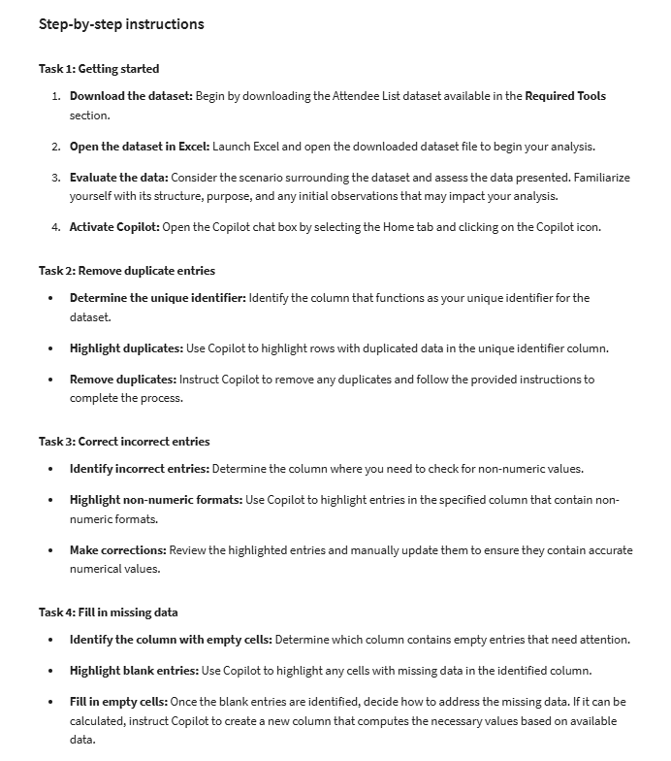
Attendee ID | Company Name | Attendee Name | Event Attended | Business Email | Phone Number | Years of Experience | Price per Ticket | Number of Tickets Bought | Total Sales
1 | Nile Tech | Amina Hassan | Tech Net 2024 | amina.hassan@niletech.com | +20-123-456789 | 9 | $100 | 2
2 | Emerald Innovations | Liam O'Sullivan | Tech Net 2024 | liam.osullivan@emerald.com | +353-1-2345678 | 7 | $100 | 1 | $100
2 | Emerald Innovations | Liam O'Sullivan | Tech Net 2024 | liam.osullivan@emerald.com | +353-1-2345678 | 7 | $100 | 1 | $100
3 | Eastern Dynamics | Oksana Petrenko | Tech Net 2024 | oksana.petrenko@eastern.com | +380-44-9876543 | two | $100 | 3
4 | Mediterranean Group | Fatima El-Sayed | Tech Net 2024 | fatima.elsayed@mediterranean.com | +20-987-654321 | 1 | $100 | 5 | $500
5 | Ubuntu Solutions | Thabo Nkosi | Tech Net 2024 | thabo.nkosi@ubuntu.com | +27-21-5550123 | 9 | $100 | 2 | $200
5 | Ubuntu Solutions | Thabo Nkosi | Tech Net 2024 | thabo.nkosi@ubuntu.com | +27-21-5550123 | 9 | $100 | 2 | $200
6 | Baltic Tech | Anna Kwiatkowska | Tech Net 2024 | anna.kwiatkowska@baltic.com | +48-12-3456789 | 8 | $100 | 4
7 | Sahara Innovations | Kofi Mensah | Tech Net 2024 | kofi.mensah@sahara.com | +233-24-4567890 | 13 | $100 | 1 | $100
7 | Sahara Innovations | Kofi Mensah | Tech Net 2024 | kofi.mensah@sahara.com | +233-24-4567890 | 13 | $100 | 1 | $100
8 | Andean Technologies | Sofia Torres | Tech Net 2024 | sofia.torres@andean.com | +51-1-2345678 | 5 | $100 | 2
9 | Mediterranean Innovations | Omar Khalil | Tech Net 2024 | omar.khalil@medinnov.com | +90-312-1234567 | one | $100 | 3 | $300
10 | Arctic Solutions | Ingrid Bjornsson | Tech Net 2024 | ingrid.bjornsson@arctic.com | +46-8-12345678 | 6 | $100 | 1 | $100
10 | Arctic Solutions | Ingrid Bjornsson | Tech Net 2024 | ingrid.bjornsson@arctic.com | +46-8-12345678 | 6 | $100 | 1 | $100
11 | Sahara Networks | Amina Abdi | Tech Net 2024 | amina.abdi@saharanetworks.com | +252-1-2345678 | three | $100 | 2
12 | Celtic Innovations | Niamh McCarthy | Tech Net 2024 | niamh.mccarthy@celtic.com | +353-87-6543210 | 5 | $100 | 4 | $400

